Model
1/1/1998 | 100.00 | 0.00 | 0.00
1/2/1998 | 100.00 | 0.00 | 0.00
1/3/1998 | 100.00 | 0.00 | 0.00
1/4/1998 | 100.00 | 0.00 | 0.00
1/5/1998 | 100.00 | 0.00 | 0.00
1/6/1998 | 100.00 | 0.00 | 0.00
1/7/1998 | 100.00 | 0.00 | 0.00
1/8/1998 | 100.00 | 0.00 | 0.00
1/9/1998 | 100.00 | 0.00 | 0.00
1/10/1998 | 100.00 | 0.00 | 0.00
1/11/1998 | 100.00 | 0.00 | 0.00
1/12/1998 | 100.00 | 0.00 | 0.00
1/13/1998 | 100.00 | 0.00 | 0.00
1/14/1998 | 100.00 | 0.00 | 0.00
1/15/1998 | 100.00 | 0.00 | 0.00
1/16/1998 | 100.00 | 0.00 | 0.00
1/17/1998 | 100.00 | 0.00 | 0.00
1/18/1998 | 100.00 | 0.00 | 0.00
1/19/1998 | 100.00 | 0.00 | 0.00
1/20/1998 | 100.00 | 0.00 | 0.00
1/21/1998 | 100.00 | 0.00 | 0.00
1/22/1998 | 100.00 | 0.00 | 0.00
1/23/1998 | 100.00 | 0.00 | 0.00
1/24/1998 | 100.00 | 0.00 | 0.00
1/25/1998 | 100.00 | 0.00 | 0.00
1/26/1998 | 100.00 | 0.00 | 0.00
1/27/1998 | 100.00 | 0.00 | 0.00
1/28/1998 | 100.00 | 0.00 | 0.00
1/29/1998 | 100.00 | 0.00 | 0.00
1/30/1998 | 100.00 | 0.00 | 0.00
1/31/1998 | 100.00 | 0.00 | 0.00
2/1/1998 | 100.00 | 0.00 | 0.00
2/2/1998 | 100.00 | 0.00 | 0.00
2/3/1998 | 100.00 | 0.00 | 0.00
2/4/1998 | 100.00 | 0.00 | 0.00
2/5/1998 | 100.00 | 0.00 | 0.00
2/6/1998 | 100.00 | 0.00 | 0.00
2/7/1998 | 100.00 | 0.00 | 0.00
2/8/1998 | 100.00 | 0.00 | 0.00
2/9/1998 | 100.00 | 0.00 | 0.00
2/10/1998 | 100.00 | 0.00 | 0.00
2/11/1998 | 100.00 | 0.00 | 0.00
2/12/1998 | 100.00 | 0.00 | 0.00
2/13/1998 | 100.00 | 0.00 | 0.00
2/14/1998 | 100.00 | 0.00 | 0.00
2/15/1998 | 100.00 | 0.00 | 0.00
2/16/1998 | 100.00 | 0.00 | 0.00
2/17/1998 | 100.00 | 0.00 | 0.00
2/18/1998 | 100.00 | 0.00 | 0.00
2/19/1998 | 100.00 | 0.00 | 0.00
...
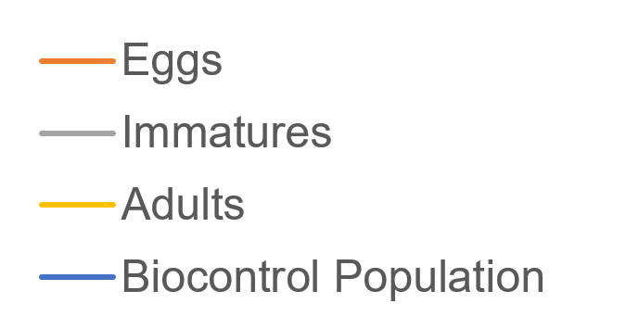
MODEL PARAMETERS

What pest type will you be modeling?:

What crop-pest interaction do you want to model?:

What are the temperature conditions?:

INTERVENTIONS

Chemical Control

Type of Chemical Control: | Efficacy of Chemical Control: (between 0 and 1)

Date of Implementation: (MM/DD) | Frequency:

Biocontrol

Type of Biocontrol: | Efficacy of Biocontrol: (between 0 and 1)

Date of Implementation: (MM/DD)

